Notes
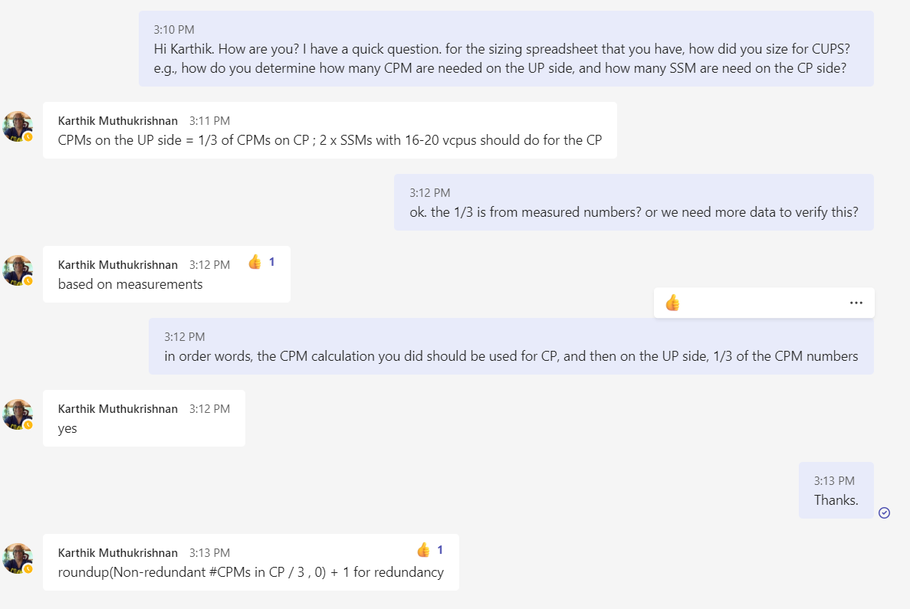
 | * limit on the max session per cluster
 | * max number of ISM/CPM per cluster

For integrated case
utilization on memory
utilization on CPU
IO limitation
Quickly visualize what is limiting the sizing, and suggest what can be changed to improve

Advanced tuning
throughput per vCPU on SHD
proxy throughput per vCPU
difference releases

Core Mapping
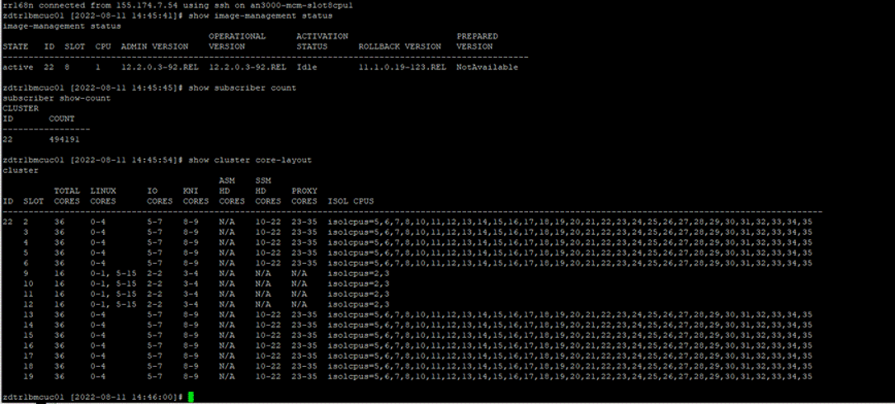
Core | systemCPUStats_core | R11 Function | R12 Function
0 | 1 | Linux1 | Linux1
1 | 2 | Linux2 | Linux2
2 | 3 | Linux3 | Linux3
3 | 4 | Linux4 | Linux4
4 | 5 | Linux5 | Linux5
5 | 6 | Linux6 | io core rx_lb_tx_1
6 | 7 | io core rx_lb_tx | io core rx_lb_tx_2
7 | 8 | io core rx_lb_tx | io core rx_lb_tx_3
8 | 9 | io core rx_lb_tx | kni core
9 | 10 | kni core | kni core
10 | 11 | kni core | s-hd
11 | 12 | a-hd | s-hd
12 | 13 | s-hd | s-hd
13 | 14 | s-hd | s-hd
14 | 15 | s-hd | s-hd
15 | 16 | s-hd | s-hd
16 | 17 | s-hd | s-hd
17 | 18 | s-hd | s-hd
18 | 19 | s-hd | s-hd
19 | 20 | s-hd | s-hd
20 | 21 | s-hd | s-hd
21 | 22 | s-hd | s-hd
22 | 23 | s-hd | s-hd
23 | 24 | s-hd | proxy
24 | 25 | proxy | proxy
25 | 26 | proxy | proxy
26 | 27 | proxy | proxy
27 | 28 | proxy | proxy
28 | 29 | proxy | proxy
29 | 30 | proxy | proxy
30 | 31 | proxy | proxy
31 | 32 | proxy | proxy
32 | 33 | proxy | proxy
33 | 34 | proxy | proxy
34 | 35 | proxy | proxy
35 | 36 | proxy | proxy
36 | 37 | NA | NA
37 | 38 | NA | NA
38 | 39 | NA | NA
39 | 40 | NA | NA

Input & Output
Total Throughput & Sessions Over Time
 | Total number of sessions | Total traffic (Gbps)
Year 1 | 1,000,000 | 140
Year 2 | 2,000,000 | 200
Year 3 | 4,000,000 | 400
Year 4 | 8,000,000 | 800
Year 5
Input
 | Year 1 | Year 2 | Year 3 | Year 4 | Year 5
Total number of sessions | 1,000,000 | 2,000,000 | 4,000,000 | 8,000,000 |  | To refer to number of sessions in yr 1, use the following:
Total traffic (Gbps) | 140 | 200 | 400 | 800 |  | 1000000
Integrated Case:
Number of sites (For Integrated MCC) | 2 | 2 | 2 | 2 | 2
Sessions per site | 1,000,000 | 2,000,000 | 4,000,000 | 8,000,000 | 0
Throughput per site (Gbps) | 140 | 200 | 400 | 800 | 0
CUPS Case:
Number of C-plane sites | 2 | 2 | 2 | 2 | 2
Number of U-plane sites | 2 | 2 | 2 | 2 | 2

Output
 | Year 1 | Year 2 | Year 3 | Year 4 | Year 5

Integrated Case:
Total number of sessions | 1,000,000 | 2,000,000 | 4,000,000 | 8,000,000 | 0
Total traffic (Gbps) | 140 | 200 | 400 | 800 | 0
Number of sites (For Integrated MCC) | 2 | 2 | 2 | 2 | 2
Sessions per site | 1,000,000 | 2,000,000 | 4,000,000 | 8,000,000 | 0
Throughput per site (Gbps) | 140 | 200 | 400 | 800 | 0

Per site: |  |  |  |  |  | Number of vCPUs per site
Number of CPM per site | 5 | 8 | 16 | 31 | 0 | CPM vCPUs per site | 80 | 128 | 256 | 496 | 0
Number of ISM/SSM per site | 21 | 41 | 81 | 162 | 0 | ISM/SSM vCPUs per site | 588 | 1148 | 2268 | 4536 | 0
Number of MCM per site | 2 | 2 | 2 | 2 | 2 | MCM vCPUs per site | 32 | 32 | 32 | 32 | 32
Total all sites: |  |  |  |  |  | Number of vCPUs total all sites
Number of CPM per site | 10 | 16 | 32 | 62 | 0 | CPM vCPUs total all sites | 160 | 256 | 512 | 992 | 0
Number of ISM/SSM per site | 42 | 82 | 162 | 324 | 0 | ISM/SSM vCPUs total all sites | 1176 | 2296 | 4536 | 9072 | 0
Number of MCM per site | 4 | 4 | 4 | 4 | 4 | MCM vCPUs total all sites | 64 | 64 | 64 | 64 | 64

CUPS Case:
Per CP site:
Total number of sessions | 1,000,000 | 2,000,000 | 4,000,000 | 8,000,000 | 0
Total traffic (Gbps)
Per CP site:
Number of CPM per site | 5 | 8 | 16 | 31 | 0 | CPM vCPUs per site | 80 | 128 | 256 | 496 | 0
Number of SSM per site | 2 | 2 | 2 | 2 | 2 | SSM vCPUs per site | 56 | 56 | 56 | 56 | 56
Number of MCM per site | 2 | 2 | 2 | 2 | 2 | MCM vCPUs per site | 32 | 32 | 32 | 32 | 32
CP Total all sites:
Number of CPM per site | 10 | 16 | 32 | 62 | 0 | CPM vCPUs per site | 160 | 256 | 512 | 992 | 0
Number of SSM per site | 4 | 4 | 4 | 4 | 4 | SSM vCPUs per site | 112 | 112 | 112 | 112 | 112
Number of MCM per site | 4 | 4 | 4 | 4 | 4 | MCM vCPUs per site | 64 | 64 | 64 | 64 | 64

Per UP Site:
Total number of sessions | 1,000,000 | 2,000,000 | 4,000,000 | 8,000,000 | 0
Total traffic (Gbps) | 140 | 200 | 400 | 800 | 0
Per UP site:
Number of CPM per site | 3 | 4 | 6 | 10 | 1 | CPM vCPUs per site | 48 | 64 | 96 | 160 | 16
Number of ISM/SSM per site | 21 | 41 | 81 | 162 | 0 | ISM/SSM vCPUs per site | 588 | 1148 | 2268 | 4536 | 0
Number of MCM per site | 2 | 2 | 2 | 2 | 2 | MCM vCPUs per site | 32 | 32 | 32 | 32 | 32
UP Total all sites:
Number of CPM per site | 6 | 8 | 12 | 20 | 2 | CPM vCPUs per site | 96 | 128 | 192 | 320 | 32
Number of ISM/SSM per site | 42 | 82 | 162 | 324 | 0 | ISM/SSM vCPUs per site | 1176 | 2296 | 4536 | 9072 | 0
Number of MCM per site | 4 | 4 | 4 | 4 | 4 | MCM vCPUs per site | 64 | 64 | 64 | 64 | 64

Advanced Analysis
 | Year 1 | Year 2 | Year 3 | Year 4 | Year 5
Total number of sessions | 1,000,000 | 2,000,000 | 4,000,000 | 8,000,000 | 0
Total traffic (Gbps) | 140 | 200 | 400 | 800 | 0
ISM Throughput & Session Dimension Utilization
Per session average throughput | 140.00 kbps | 100.00 kbps | 100.00 kbps | 100.00 kbps | 0.00 kbps
Check 1: Does the per session throughput make sense? Usually they are less than 100kbps for 4G consumer.

Intergrated Case | Year 1 | Year 2 | Year 3 | Year 4 | Year 5
ISM primary | 18 | 36 | 72 | 144 | 0
ISM backup | 3 | 5 | 9 | 18 | 0
ISM total | 21 | 41 | 81 | 162 | 0
CPM primary | 4 | 7 | 14 | 27 | 0
CPM backup | 1 | 1 | 1 | 1 | 0
CPM total | 5 | 8 | 15 | 28 | 0
MCM total | 2 | 2 | 2 | 2 | 0

ISM Tput capacity usage % | 47.38% | 33.84% | 33.84% | 33.84% | 0.00%
ISM Session capacity usage % | 99.34% | 99.34% | 99.34% | 99.34% | 0.00%
Which is the limiting factor for ISM? | Session | Session | Session | Session | Not Applicable
*** If session capacity is the limiting factor, you can try increase the ISM/SSM memory size to alleviate the bottleneck.
*** If throughput is the limiting factor, try to see if you can increase the ISM/SSM VM size.

ISM Configuration Proposed: | Num vCPU | Capacity Total (Gbps)
Number of IO | 3 | 24.00
Number of SHD | 19 | 16.42
Number of Proxy | 0 | 0.00
Per ISM tput capacity (Gbps) |  | 16.42
Per ISM vCPU Configuration
Check 2: Proxy Percentage
Proxy capacity % |  | 0.00%
Required proxy capacity % |  | 0.00%
Meet proxy requirement? |  | Yes

Per ISM session capacity |  | 55,924

ISM-VM-Capacity Projection
Memory per PP (GB) | 128 | Resource Usage Limit (%) | 75%
vCPUs per ISM | 28
I/O Vcpus - total | 3 | SHD - #vCPUs | 0
I/O Vcpus - redundant | 3 | Proxy - #vCPUs | 0
KNI+AHD | 0
SSM HD is the cores which are supposed to only do SHD processing and no proxy divert. This is for computation convenience only. There is no such thing as SSM HD core in an ISM.
Guest vCPUs | 6
CPU for IO, SSM HD, ISM HD and Proxy | 22
 |  | SSM HD
Packet Processing vcpus | 19.00 | SHD Capacity (Gbps) | 1.8
SSM - HD vcpus | 19.00 | NAT degradation | 20.0%
ISM SHD vcpus | 0.00 | DPI degradation | 40.0%
Proxy vcpus | 0.00 | EW Degradation | 0.0%
 |  | SHD Capacity no Proxy - Gbps with DPI | 1.08
 |  | SSM - SHD Capacity no Proxy - Gbps with DPI & NAT & EW | 0.864

 |  | ISM HD

 |  | SHD Capacity with Proxy % - Gbps | 0.625
 |  | SHD Capacity with 100% Proxy - Gbps | 0.53125
 |  | NAT degradation - % | 0.0%
 |  | EW Degradation - % | 0
 |  | DPI - adjustment (improvement) - %
 |  | SHD Capacity with 100% Proxy with NAT - Gbps | 0.53125

 |  | ISM - SHD Capacity @ 100% proxy (Gbps) | 0.53125

 |  | Proxy Capacity @Target Service Mix (Gbps) | 0.46
 |  | use_ASM | FALSE

 |  | I/O vCPU Capacity @Target Service Mix (Gbps) | 24.00
 |  | Total IO capacity assuming multi-q (Gbps)

 |  | SSM SHD vCPUs | 19 |  | New Calculations |  |  |  |  |  |  |  | Updated calculation
 |  | ISM SHD vCPUs | 0 |  | 3.00 |  | IO |  |  |  |  |  | 3
 |  | #shd vCPUs | 19 |  | 0.00 | 0.00 | Proxy | 0 | 0.00 |  | 0 | 0 | 0 | 0.00
 |  | #proxy vCPUs | 0 |  | 0.00 | 0.00 | ISM SHD | 0.00 | 0.00 |  | 0 | 0 | 0 | 0.00
 |  |  |  |  | 19.00 | 16.42 | SSM HD | 19.00 | 16.42 |  | 19 | 16.416 | 19 | 16.42
 |  |  |  |  | 22.00 |  | Total |  |  |  | 19 |  | 22
 |  |  |  |  |  | 16.42 |  |  | 16.42 |  |  | 16.42 |  | 16.42
 |  |  |  |  |  | 0.00% |  |  | 0.00% |  |  | 0.00% |  | 0.00%

 |  | Fastpath - SSM HD Capacity - Gbps | 16.42 |  |  |  |  |  |  | 1200
 |  | Fastpath - ISM HD Capacity (proxy traffic) - Gbps | 0.0000
 |  | Fastpath Capacity - Gbps | 16.416
 |  | Proxy % (by Gbps) | 0.00% |  |  |  | * given the proxy percentage, compute how many proxy cpu and how many ism hd required
 |  | Proxy Capacity - Gbps | 0.0000 | 0.00% | Lower than required proxy percentage
 |  | I/O Capacity - Gbps | 24.00
 |  | VM Gbps due to CPU | 16.42
 |  | VM Limit by IO | 25.00
 |  | Balanced VM Capacity (adjusted for packet size) - Gbps | 16.416
 |  | Balanced VM Capacity (adjusted for packet size) - Proxy Gbps | 0.00

 |  | VM Capacity - Gbps | 16.416 |  | Error checking:
 |  | VM Capacity - MPPS | 1.84
 |  | APS - Bytes | 1,200

 |  | VM Capacity - #sessions
 |  | Max Mem Usage | 96
 |  | Boot memory (GB) | 16.00
 |  | Max Session Memory (GB) | 80
 |  | Per session Memory (KB) | 1,500 | was : =IF(EXACT(ssm_per_session_memory_override, "Yes"), ssm_per_session_memory_override_KB, IF(EXACT('service inputs'!B2,"GTPProxy"),vf_ssm_GTPProxy_per_session_memory_KB,UP_per_session_mem_on_SSM__kB))
 |  | #Sessions based on Memory | 55,924

Test&Deployment Inputs
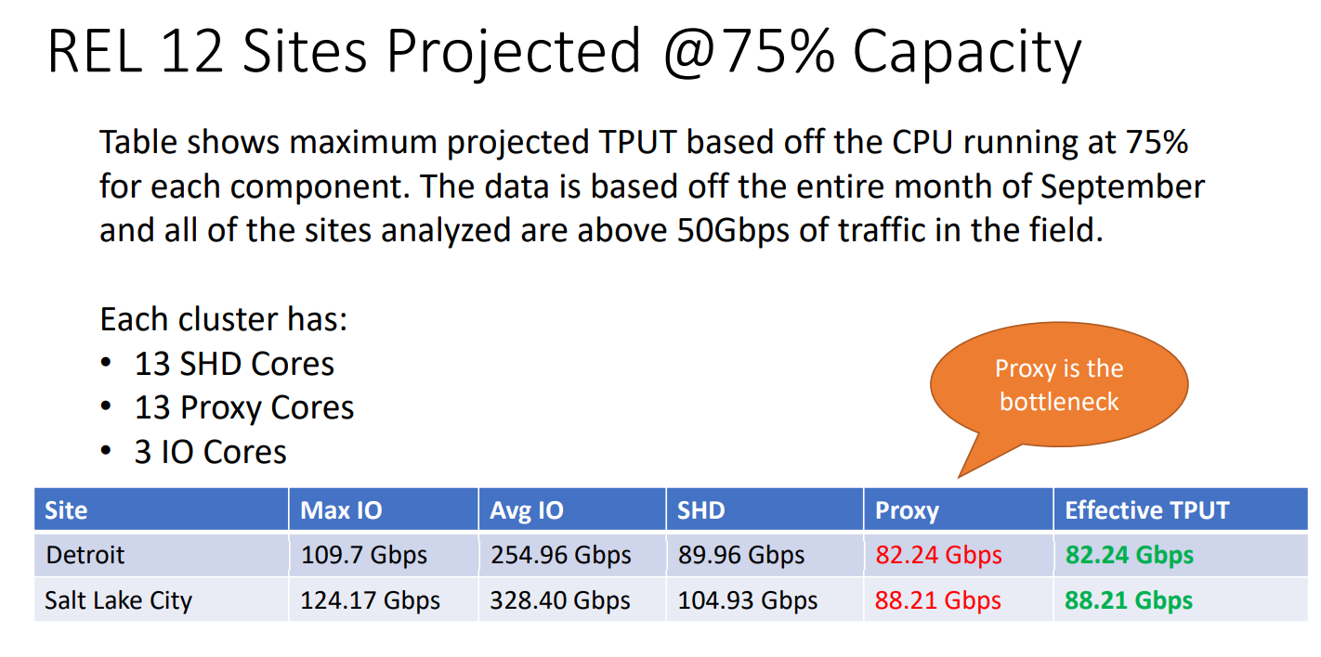
MCC Release used for sizing | 12.2
SSM HD Tput Max @ design util | 1.8 |  |  | R12 | SHD | Proxy
EW Tax | QA Lab data analyzed | 25% |  | Detriot | 0.5767 | 0.4481
NAT Impact | QA Lab data analyzed | 20% |  | Salt Lake City | 0.6726 | 0.4806
DPI Impact ( 100 - 150 HRG) | QA Lab data analyzed | 40%
 |  |  |  |  | 0.6246 | 0.4644
Field Effect | Blackbird | 25%
Blackbird Util max - UP | Blackbird | 75%
Blackbird Util max - CP | Blackbird | 70%

R12.2oR11.1 improvement | Blackbird | 20%
Applicable Improvement | Deployment | 20%
per SHD Gbps @ design max util (R12.2) | Blackbird | 0.625 |  |  |  | 63.75
per proxy Gbps @ design max util | Blackbird | 0.4644 | 6.25 |  |  | 0.44270833333
per I/O Gbps | Blackbird | 8.00
Blackbird Proxy % | Blackbird | 85%

Blackbird - # SHD vCPUs | Blackbird | 12 |  |  | 0.52083333333
Blackbird - #proxy vCPUs | Blackbird | 12 |  |  |  |  | per proxy | 0.50843263889
Blackbord - Average Packet Size (Bytes) | Blackbird | 1200 |  |  |  |  | per shd | 0.62472222222

CPM/DCM/CCM:
Blackbird - CP TPBH-Session | Blackbird | 80
Blackbird - CP Session Capacity per Cluster | Blackbird | 6,000,000
Blackbird - CP CPI pe cluster | Blackbird | 160
Blackbird - CP Session Capacity per CPI | Blackbird | 37,500
Blackb ird - CP Capacity - TPBH per CPI | Blackbird | 3,000,000
Blackbird - CPI Capacity - TPS | Blackbird | 833
Blackbird - #DCMs | Blackbird | 10
Blackbird per session Memory (kB) | Blackbird | 143
DCM/CPM on boot memory usage (GB) | release | 12.5

GTP Proxy CPM per session Memory (From VF) - KB | VF | 32
GTP Proxy SSM per session Memory (From Vf GTPProxy) - KB | VF | 64
GTP Proxy - APS - BYTES | VF | 500

UP SSM
UP per session mem on SSM (kB) | 1,500 | about 1500 for consumer, and 2000 for resellers as of July 2022.
UP per session mem on CPM (kB) | 250 | about 160 for consumer sites, and 250 for resellers as of July 2022.

